Sheet1
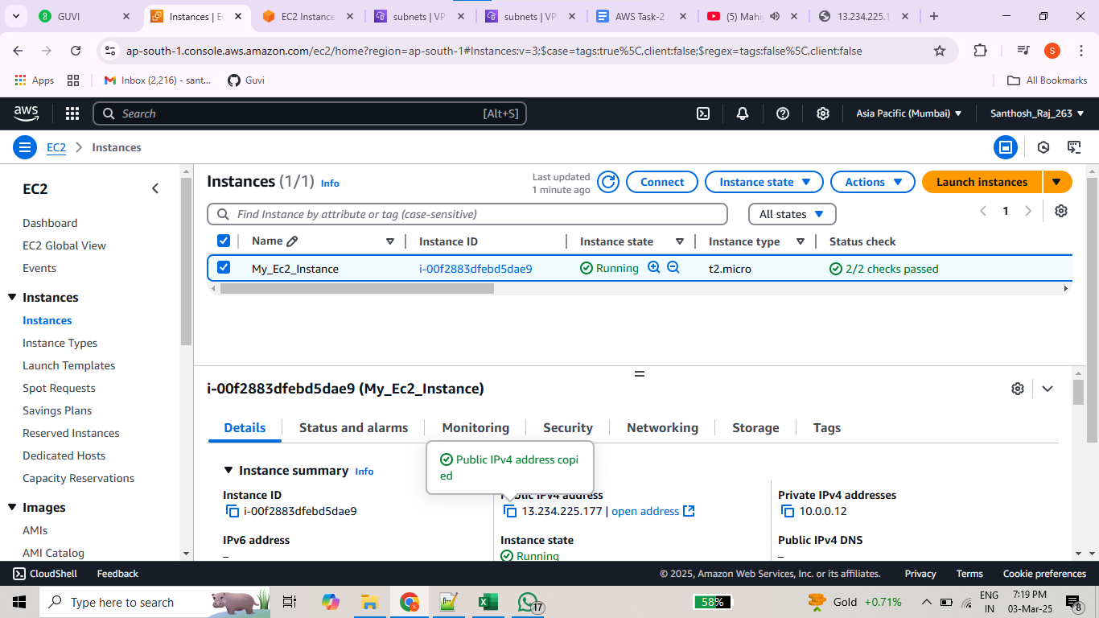
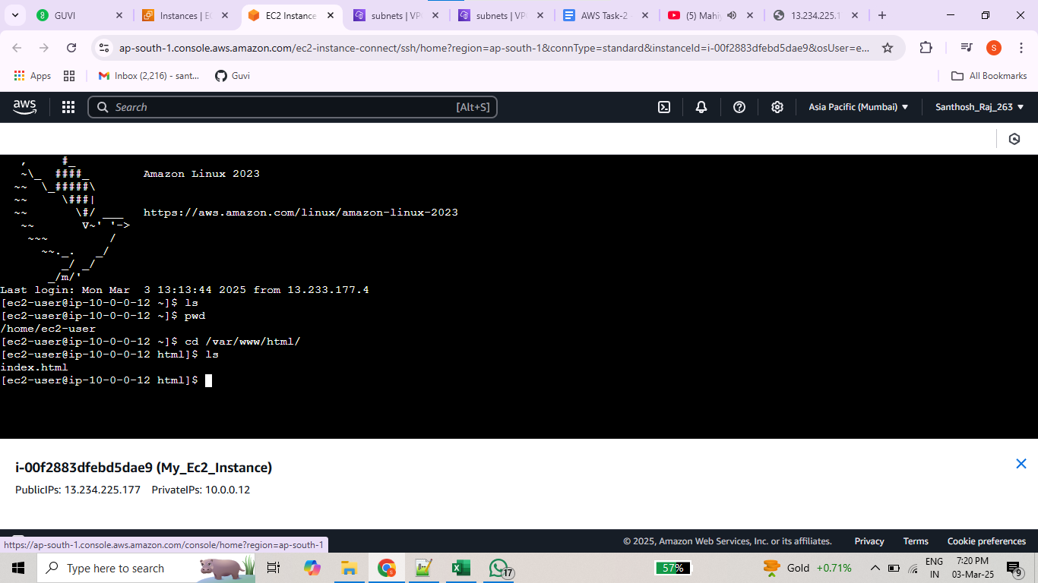

AWS Task :02
 |  |  | Create a public subnet with 256 IP addresses, a private subnet with 256 IP addresses and Launch Ec2 Instance

1 | VPC Creation | VPC ID: vpc-0ef1553f89dc8cd89

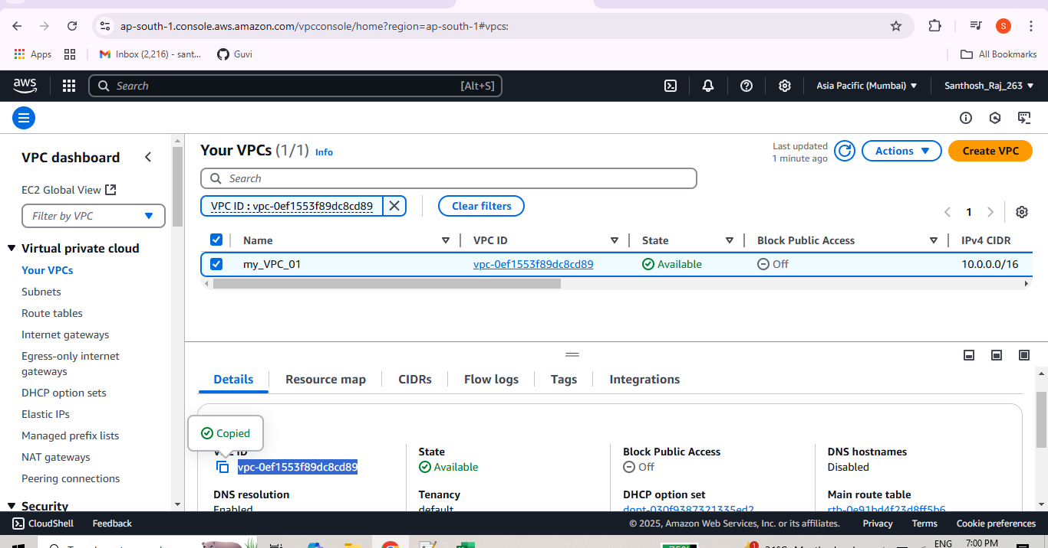

 |  |  | Creation Private and Public subnets:

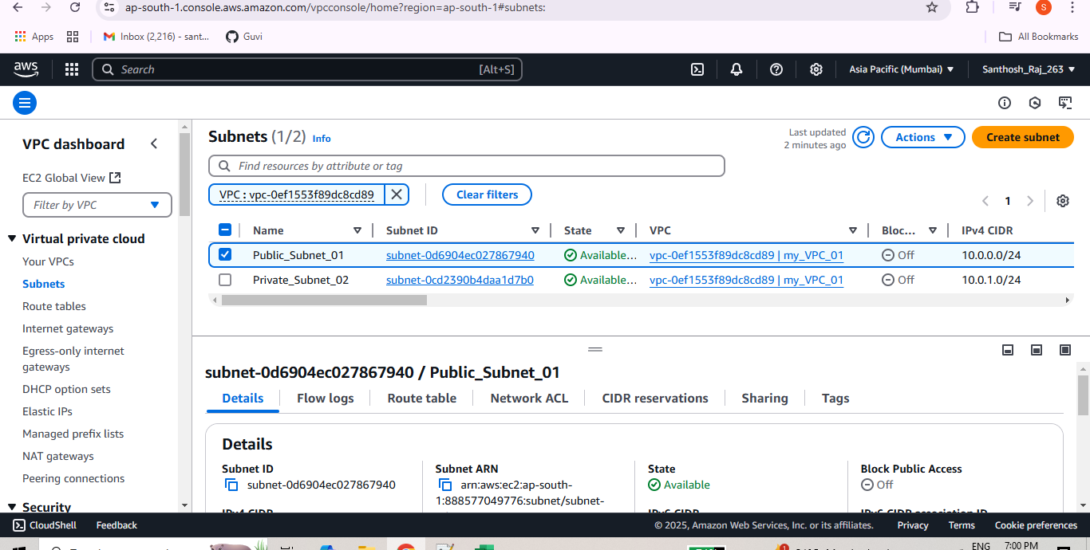

Final Ec2 Instance

